Application Screen
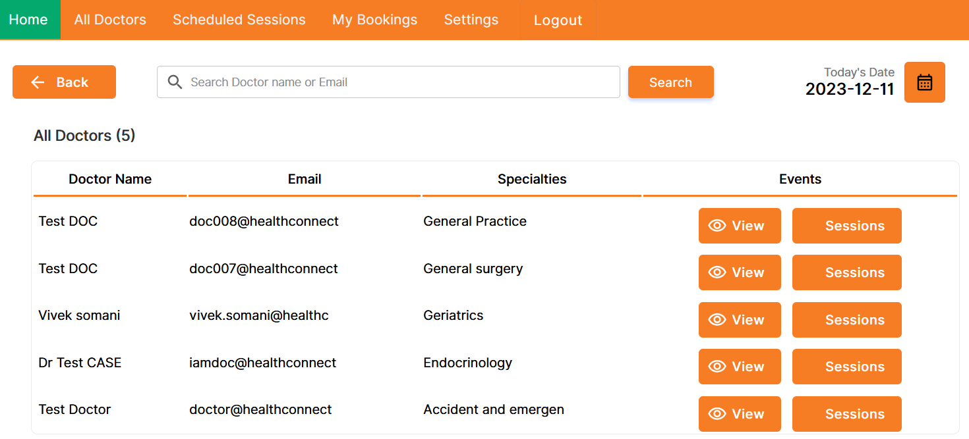

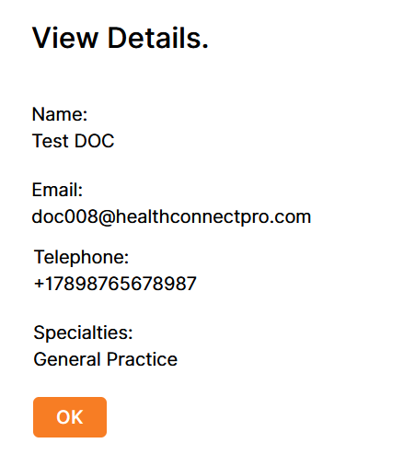

Test Case 5
Test Case: 5
TC Title: | TC2 02.03 Browse Doctor's Profile- Data Flow in

TC Objective: | Validate the robustness of data flow within the user story. Confirm that the system accurately retrieves and displays comprehensive information from the database for registered patients, encompassing doctor profiles, schedules, qualifications, patient reviews, contact details, and any additional professional details. Ensure a seamless and complete representation of doctors' information, fostering a rich and informative user experience.

TC Description:
 | Step | Step Description | Expected Results
 | 1 | Log in using valid user credentials. | Successful login, and the user is directed to the application's main dashboard.
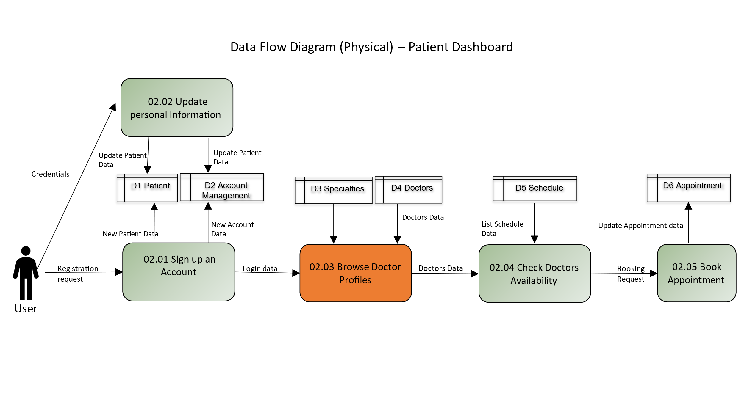
 | 2 | Navigate to the section displaying available healthcare providers or a specific "Doctor's Profiles" section. | The system should query the database for doctor profiles and display an updated list, including names, specialties, and thumbnail images.
 | 3 | Choose a specific doctor from the list. | The system should retrieve the selected doctor's detailed profile information from the database, including name, photo, specialty, contact details, and a brief bio.
 | 4 | Check the schedule or availability of the selected doctor. | The system should fetch the doctor's schedule details from the database, including regular working hours, available time slots, and any upcoming appointments.
 | 5 | Examine the qualifications and certifications of the selected doctor. | The system should present accurate information about the doctor's education, certifications, and any specializations, sourced from the database.
 | 6 | Access the patient reviews or ratings section for the selected doctor. | The system should retrieve and display patient reviews, ratings, or testimonials from the database, providing insights into the doctor's reputation and patient satisfaction.
 | 7 | Check if there is contact information for the selected doctor. | The system should fetch and display accurate contact details, such as email or phone number, from the database. | the dataflow which is tested in test case
 | 8 | Check for any additional information provided in the doctor's profile, such as research publications, affiliations, or awards. | If available, the system should retrieve and display additional information from the database, contributing to a comprehensive view of the doctor's professional background.

